Zadatak
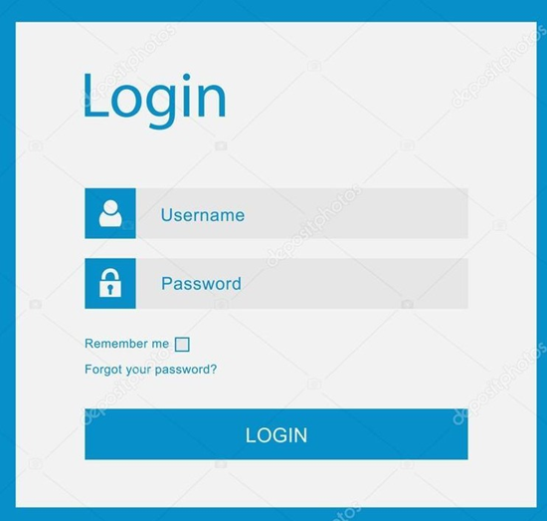 | • Jedini validan username je "username" sa sifrom "password1". • Klikom na "Login" dugme se redirektujete na homepage. • Checkbox "Remember me" moze da bude stiklirano ili ne, kako bi se korisnik ulogovao. • Dugme "Forgot your password?" vodi na forgotten password stranicu.

